Application Screen
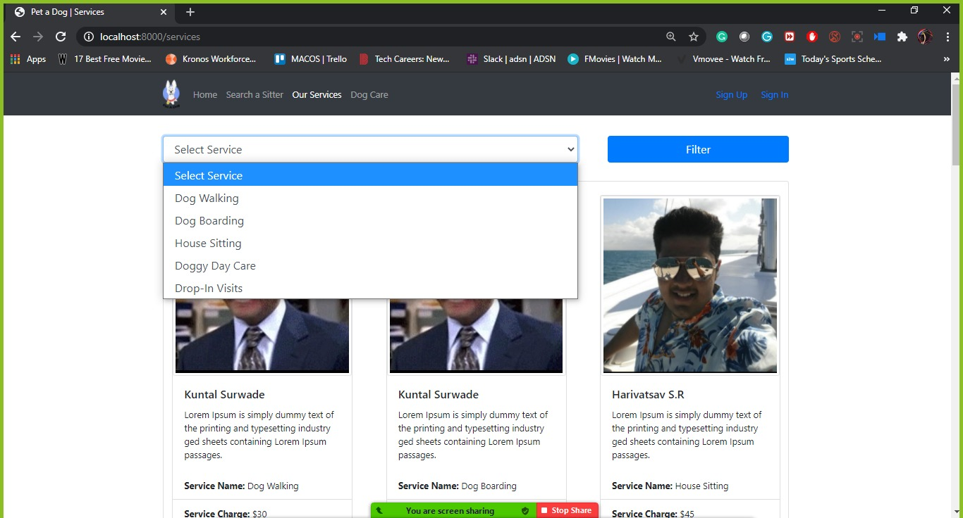
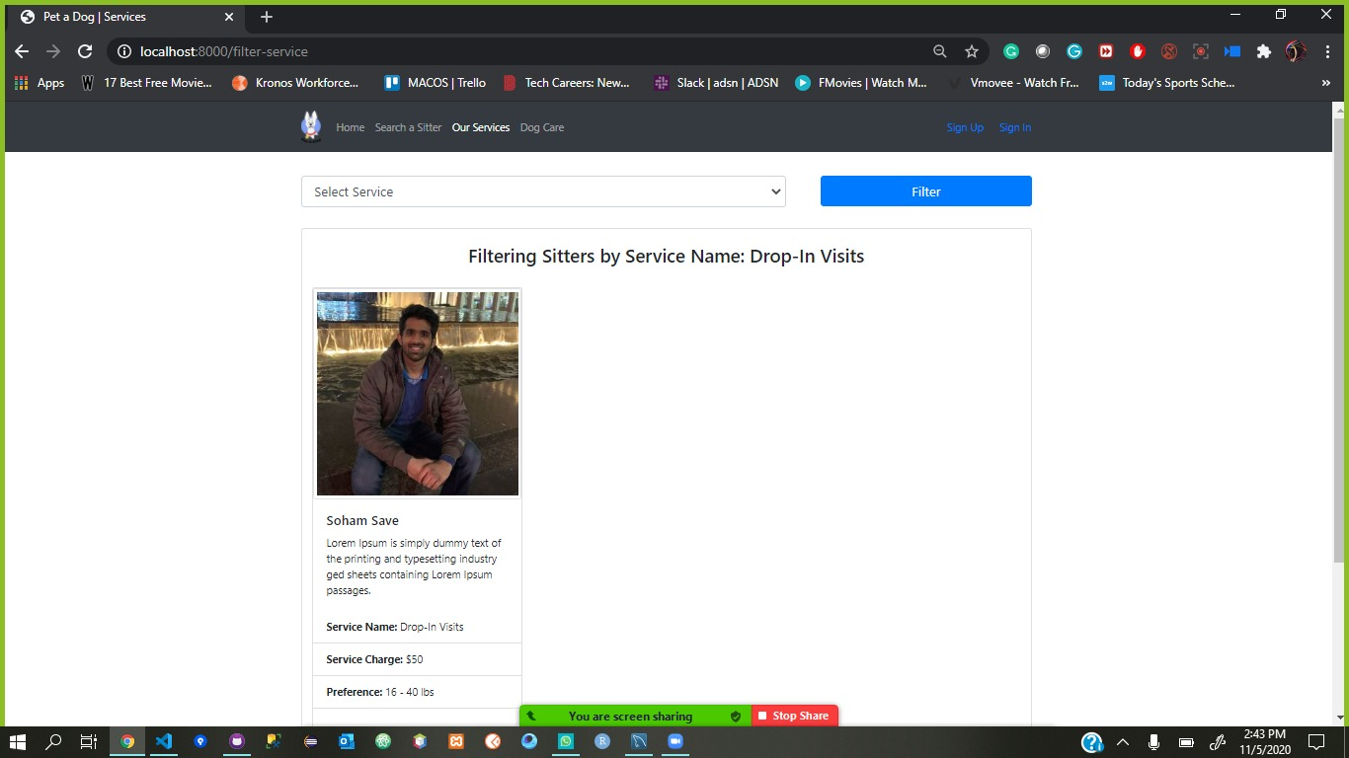

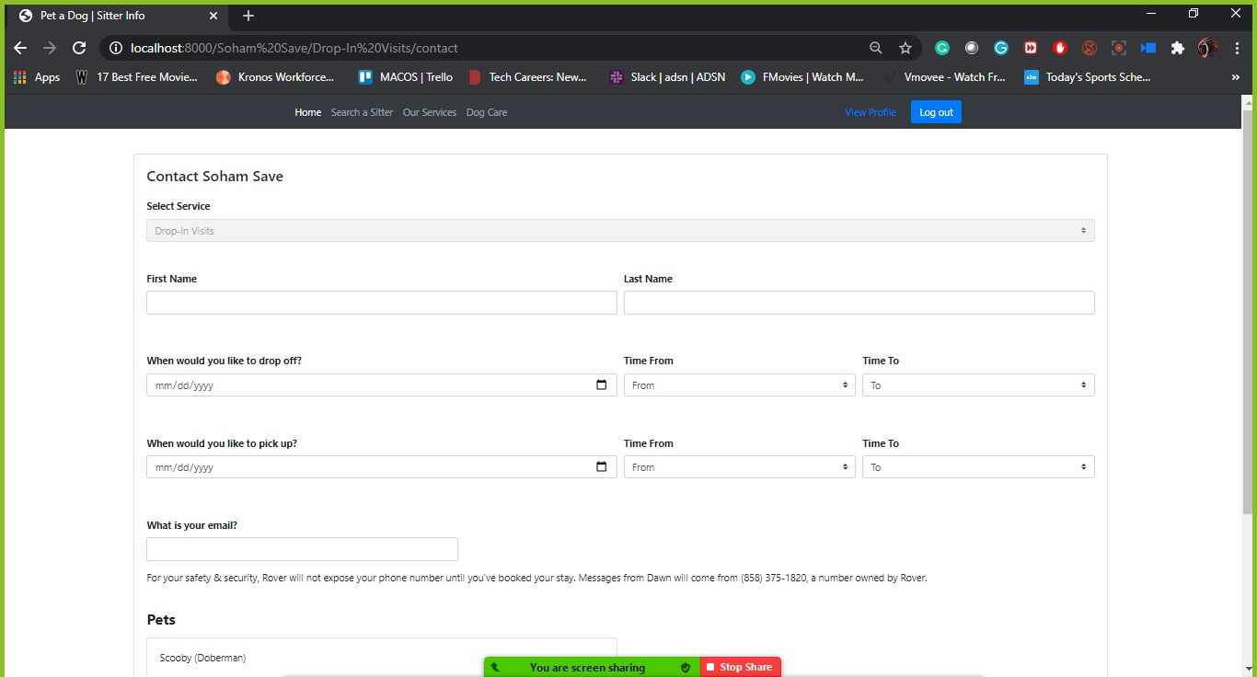

Test Case 3
TC Title: | TC3. Selecting the type of service - Core Funtionality + Data Flow Out

TC Objective: | Ensure that Service that User selected is on Booking module and selecting service drop down is disabled there

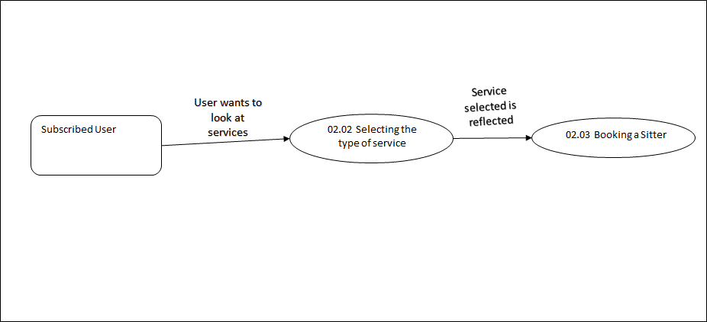

TC Description
 | Step | Step Description | Expected Results
 | 1 | Click on Our Services button on Home Page | User should be Navigated to Our services Page and see catalog of Sitters and services provided by them
 | 2 | Click on the drop down list, select "Drop-In Visits" and click on Filter button | User should see the list of sitters that provide "Drop-In Visits" Service
 | 3 | Click on the Sitter of your choice | User should be directed to Booking a sitter module, service should be "Drop-In Visits" and should be disabled

